Sheet1
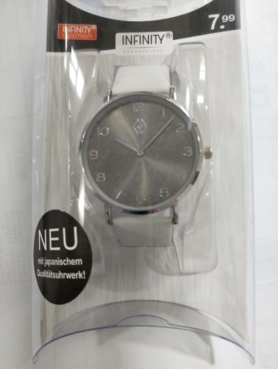
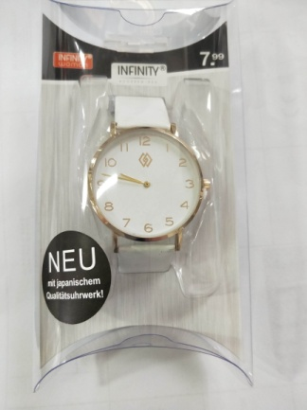
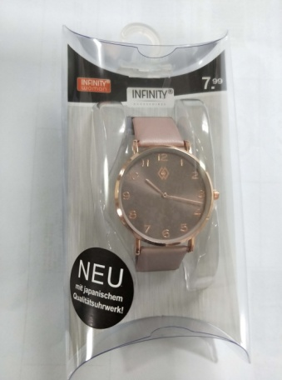
 |  |  |  | NINGBO HAISHU GRAND-TOP AGENCY CO.,LTD.
 |  |  |  | Add: Floor 5, Huaheng Building, No.29, Lane 66, Shenghai Road, Haishu District, Ningbo, 315012, China
 |  |  |  | TEL: 86-574-83865297, 83897447 FAX: 86-574-87850260

 |  |  |  |  |  |  | Quotation sheet
 |  |  |  |  |  |  |  |  |  |  |  |  |  |  |  |  |  |  | Date:
Payment term: 60 DAYS TT
No. | Picture | Item No. | Description | Item Size | Material | Unit Price | Packing | Weight/pc | Qty/exp. ctn | CBM/Ctn (M3) | Num. Of exp. ctn | MOQ | Total Amount | Total CBM (M3) | G.W./Ctn (KG) | FOB port | Shipping Window | Test report | Remarks ( container qty)
Vendor:
${start}
${序列号} | ${图片} | ${产品型号} | ${表壳-颜色};${机芯-型号};${电池-型号} | ${表壳-大身尺寸};${表带-耳位尺寸} | ${表壳-材质};${表带-材质} | ${单价} | ${包装-包装型号} |  |  |  | 250 | 3000 |  |  |  | Xiamen | 3000 pcs 1 SW | EMC | 20': 40000 pcs 40': 40HQ:
${end}

Remark:
1.Pls noted for the test. If don't include any test, pls mark with No. If yes, add all the test on the file.
2.Need all the details from this file, especially the QTY of 20', our buyer will place the order based on this data, thanks

